Accessories
 |  | STOCK AVAILABILITY

 |  | ACCESSORIES

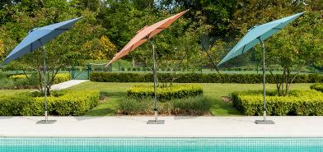
2021 NEW PRODUCTS
CODE | TREATMENTS ETC… | OUTERS
GT2 | GOLDEN TEAK CLEANER | 12 |  |  |  |  |  | £0.00
GT3 | GOLDEN TEAK PROTECTOR | 12 |  |  |  |  |  | £0.00
GT5 | TEAK SHIELD | 12 |  |  |  |  |  | £0.00
ARTT | TIMBER TREATMENT PLUS | 24 |  |  |  |  |  | £0.00
ARTS | TIMBER SEALER | 24 |  |  |  |  |  | £0.00
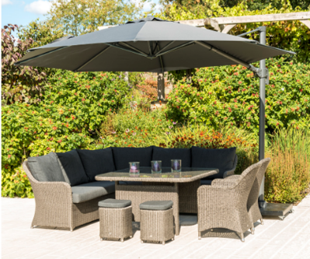
ARTB | CORNIS OIL | 24 |  |  |  |  |  | £0.00
BA1 | SOFT GROUND ANCHORS |  |  |  |  |  |  | £0.00
BA2 | ANCHORS W. INSTALLATION TOOL |  |  |  |  |  |  | £0.00
BA3 | BOLT DOWN ANCHORS |  |  |  |  |  |  | £0.00
BP | BRASS PLATE |  |  |  |  |  |  | £0.00
SP | STAINLESS STEEL PLATE |  |  |  |  |  |  | £0.00
ENGRAVE | DIRECT ENGRAVING |  |  |  |  |  |  | £0.00
CODE | BASES |  |  |  |  |  |  | £0.00
GB11 | GRANITE BASE 11KG |  | 25 |  |  |  |  | £0.00
GB20 | GRANITE BASE 20KG |  | 135 |  |  |  |  | £0.00
GB30 | GRANITE BASE 30KG |  | 40 |  |  |  |  | £0.00
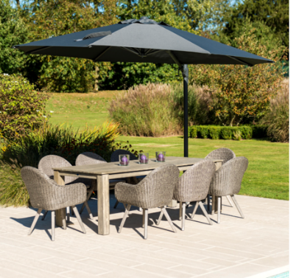
7960 | PORTOFINO PARASOL BASE 12KG |  | 160 |  |  |  |  | £0.00
GLS700 | GLASS LAZY SUSAN 0.7M |  |  |  |  |  |  | #REF!
CODE | COVERS - GREEN UNLESS OTHERWISE SPECIFIED | OUTERS |  |  |  |  |  | #REF!
FC1 | ROUND FURNITURE COVER 2.1M | 5 |  |  |  |  |  | £0.00
FC2 | RECTANGULAR FURNITURE COVER 2.7 x 1.7M | 5 |  |  |  |  |  | £0.00
FC3 | SWING SEAT COVER (301,193,693) | 5 |  |  |  |  |  | £0.00
FC6 | ROUND FURNITURE COVER 3M | 5 |  |  |  |  |  | £0.00
FC7 | BENCH COVER 4FT | 10 |  |  |  |  |  | £0.00
FC8 | BENCH COVER 5FT | 10 |  |  |  |  |  | £0.00
FC9 | SUNBED AND STEAMER COVER | 1 |  |  |  |  |  | £0.00
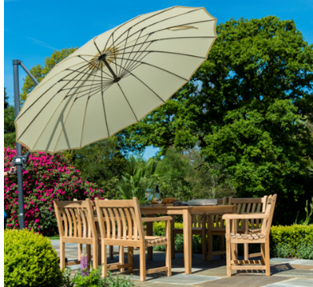
FC10 | ROUND TABLE COVER 1.3M | 10 |  |  |  |  |  | £0.00
FC11 | OVAL TABLE COVER 1.6 x 1.0M | 1 |  |  |  |  |  | £0.00
FC12 | COMPANION SET COVER | 10 |  |  |  |  |  | £0.00
FC14 | RECTANGULAR FURNITURE COVER 2.5 x 1.6M | 5 |  |  |  |  |  | £0.00
FC16 | SMALL CUSHION BAG | 1 |  |  |  |  |  | £0.00
FC17 | CANTILEVER PARASOL COVER (FOR UHP) - BEIGE | 10 |  |  |  |  |  | £0.00
FC18 | BENCH COVER 6FT | 5 |  |  |  |  |  | £0.00
FC19 | CHAIR COVER | 5 |  |  |  |  |  | £0.00
FC20 | FLAT SUNBED COVER | 5 |  |  |  |  |  | £0.00
FC21 | HUT COVER | 5 |  |  |  |  |  | £0.00
FC22 | LOVERS RECLINER SOFA COVER | 10 |  |  |  |  |  | £0.00
FC23 | LARGE CUSHION BAG | 10 |  |  |  |  |  | £0.00
FC24 | MEDIUM CUSHION BAG | 5 |  |  |  |  |  | £0.00
FC28 | MALDIVES COVER, 3 SEATER | 10 |  |  |  |  |  | £0.00
FC29 | MALDIVES COVER, 2 SEATER | 10 |  |  |  |  |  | £0.00
FC30 | MALDIVES COVER, CHAIR | 1 |  |  |  |  |  | £0.00
FC31 | HIGH BACK 5FT BENCH COVER | 5 |  |  |  |  |  | £0.00
FC38 * | BEACH CUSHION COVERS PK 6 | 1 |  |  |  | * FC38 - COVERS 2 CORNERS OR 3 MID SECTIONS |  | £0.00
NCS | SMALL PARASOL NIGHT COVER (U30,U30S,UP) - BEIGE | 10 |  |  |  |  |  | £0.00
NCL | LARGE PARASOL NIGHT COVER (U23) - BEIGE | 10 |  |  |  |  |  | £0.00
NC35 | NIGHT COVER FOR UH35, UHY - GREY | 10 |  |  |  |  |  | £0.00
** A SURCHARGE OF 20% WILL APPLY TO ITEMS NOT ORDERED IN THEIR OUTER QUANTITIES. |  |  |  |  |  |  |  | £0.00
CODE | PREMIER OLEFIN CUSHIONS | OUTERS | PEARL | OMEAL | CHCOAL | GREEN | *please note there is a 6-8 week lead time on some Olefin cushions | £0.00
556 | STEAMER CUSHION (148, 355S) | 1 | X | ü | ü | ü
560 | ACRYLIC SWING SEAT CANOPY (193, 693) | 1 | X | ECRU | X | ü |  | £0.00
560PINE) | POLYESTER SWING SEAT CANOPY (301) | 2 | X | ECRU | X | ü |  | £0.00
7734C | SUNBED CUSHION (786,7817,7734) | 1 | X | ü | ü | X |  | £0.00
7701C | CHAIR CUSHION (7701GR, 7702GR, 7801, 7802, 761PRL) | 2 | ü | ü | ü | X |  | £0.00
7731CGR | STACKING ARMCHAIR CUSHION (7831, 7832, 7731GR) | 2 | ü | ü | ü | X |  | £0.00
7814CO | SUNBED CUSHION OATMEAL (7814) | 1 | X | ü | X | X |  | £0.00
** A SURCHARGE OF 20% WILL APPLY TO ITEMS NOT ORDERED IN THEIR OUTER QUANTITIES. |  |  |  |  |  |  |  | £0.00
CODE | POLYESTER CUSHIONS | OTHER | PEARL | ECRU | TAUPE | GREEN |  | #REF!
561SPEC | SUN LOUNGER CUSHION | X | X | X | X | ü |  | #REF!
556SPEC | STEAMER CUSHION (355S) | X | X | ü | X | ü |  | #REF!
562SPEC | RECLINER CUSHION (320B) | X | X | ü | X | ü |  | #REF!
565SPEC | ARMCHAIR CUSHION (340S, 333S) | X | X | ü | X | ü |  | #REF!
578 | BENCH CUSHION 4FT(334S, 334B, 334W, 346S, 346B) | X | X | ü | X | ü |  | #REF!
579 | BENCH CUSHION 5FT (322B, 335B, 345B, 322W, 335W, 342W) | X | X | ü | X | ü |  | #REF!
583 | SEAT PAD (338S, 337S, 354S) | X | X | ü | X | ü |  | #REF!
7768 | SCATTER CUSHION OUTERS 10 | DALIA BLUE | DALIA YELLOW | DAWN | DUSK | JUNGLE |  | #REF!
**ORDERS FOR SCATTER CUSHIONS IN OUTERS OF 10 WILL BE PROCESSED |  |  |  |  |  |  |  | £0.00
CODE | PARASOLS | OTHER | CHARCOAL | ECRU | TAUPE | GREEN |  | £0.00
UP23 | HARDWOOD 3.0 X 2.0M RECT PARASOL W.PULLEY INC NIGHT COVER | X | ü | ü | ü | ü |  | £0.00
UP30 | HARDWOOD 3.0M ROUND PARASOL W.PULLEY INC. NIGHT COVER | X | X | ü | ü | ü |  | £0.00
U25ALU | ROUND 3.0M ALU TILTING PARASOL CRANK | BLUE | JADE | OCHRE | X | X | 15TH MAY | £0.00
U30ALU | ROUND 3.0M ALU TILTING PARASOL CRANK | BLUE | JADE | OCHRE | X | X |  | £0.00
7959 | PORTOFINO 2.4M ALU TILTING PARASOL CRANK | GREY | X | X | X | X | 31ST JUNE
UH35 | ROUND 3.5M ALU CANTILEVER PARASOL INC. NIGHT COVER | X | ü | ü | ü | X |  | £0.00
 |  |  |  |  |  |  |  | #REF!
 |  |  |  |  |  |  |  | #REF!
 |  |  |  |  |  |  |  | #VALUE!
 |  |  |  |  |  |  |  | £0.00
 |  |  |  |  |  |  |  | #REF!
 |  |  |  |  |  |  |  | #REF!
 |  |  |  |  |  |  |  | #VALUE!
 |  |  |  |  |  |  |  | #REF!
 |  |  |  |  |  |  |  | £0.00
 |  |  |  |  |  |  |  | #REF!
 |  |  |  |  |  |  |  | £0.00
 |  |  |  |  |  |  |  | #REF!

